Sheet1
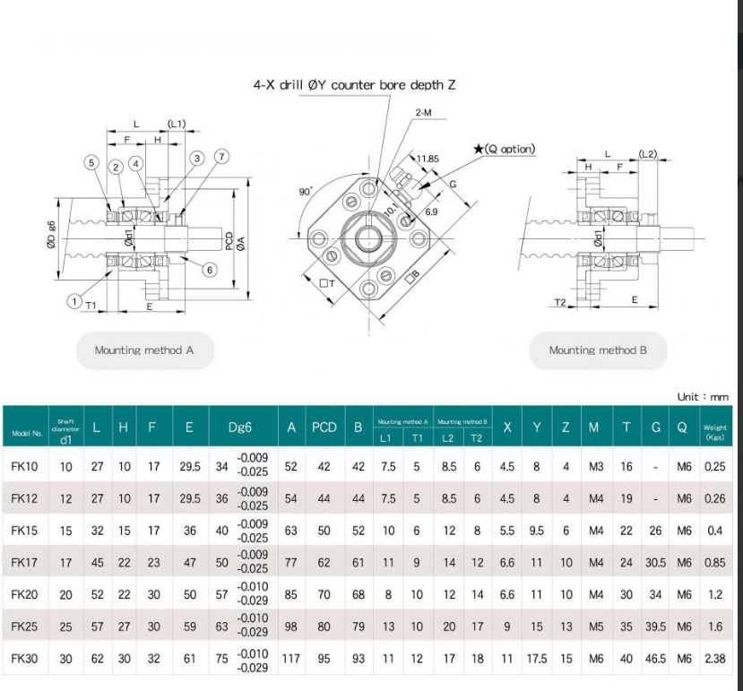
QUESTIONS TO FIX DON’T FORGET | NOTES | CHECKED?
ACTUAL BASE DIMESNIONS | WILL BE DRIVEN BY GANTRY AND PART OVERHANGS TO HIT TARGET WORKSIZE
ROUIND SHAFT MOUNTAIN HOLES SEP DIST | CURRENTLY SIZED FOR THE MAKERSTORE PARTS
NEMA MOTOR MOUNTINA HOLE SPACING
CENTRE HOLE FOR BALL SCREW MOUNTINA
MIUNTAIN PLATE FORWARD AND BACK DIST
CART DEPERATION
NEMA SIZING
LINEAR SHAFT HOLE SIZE FOR CUTTING
THICKNESS OF ENDPLATES
z HEIGHT | MITCH QUESTION
TYPE AND QUAlity of linear BEARING BLOCK
FROM ABOVE - HOLE SIZING
YAXIS CART HOLE SIZING
YAXIS CARTS MATCH PURCHASED UNITS
MOUNT FIXED END ON INSIDE OR OUTSIDE
SPEC MOTORS
X MOTOR STANDOFF DISTANCE
RPD END TINGS ARE NOT TO SPEC OF MAKERSTORE
Limit switches
OUTBOARDSPACING OF Y SCREW
STANDOFF Y AXIS FK TO ADD PLAY |  |  |  | 23
Holes in rail

 |  |  | 960
https://kiwimotion.co.uk/technical-articles/ball-screws/ball-screw-selection/ |  |  | 640
https://m.media-amazon.com/images/I/71zBOVmqRrL._UF1000,1000_QL80_.jpg |  |  | 436

